Foreword
 | CAB Approval Process

Foreword:
 | The next sheets provide content input with regards to the design of the application forms that needs to be used by any CAB (UAE or foreign) to request, renew, update application for approval and approval decisions by the TDRA to conduct assessment of (qualified) trust service providers established in the UAE and of the (qualified) trust services they provide in accordance with the Federal Decree-Law No. (46) of 2021 on Electronic Transactions and Trust Services and the Federal Executive Regulation No. (28) of 2023.
 | The next sheets are agnostic of any design or layout consideration as these are left to the designers of the electronic version of the forms and/or of the TDRA website.

Description of the CAB approval process:

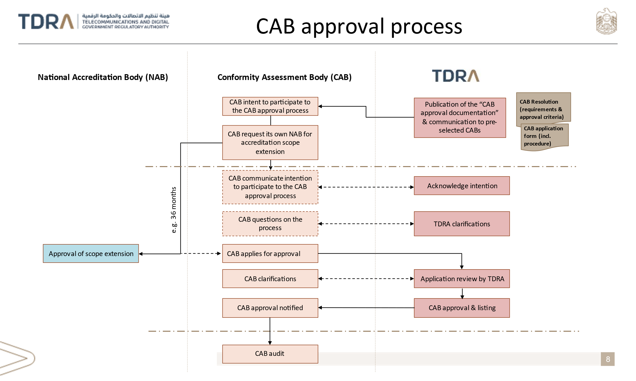

 | A description of /guidance on the CAB approval process may/should be provided in the TDRA website as part of the related documentation.
 | In accordance with the Federal Decree-Law No. (46) of 2021 on Electronic Transactions and Trust Services and the Federal Executive Regulation No. (28) of 2023 (hereafter collectively referred to as "The Laws"), a person established in the UAE who intends to provide a trust service or a qualified trust service or has been licensed to provide such services is required to undertake an external conformity assessment to confirm they meet the requirements of the Laws.
 | In accordance with The Laws, those conformity assessments must be conducted by a conformity assessment body (CAB) that:
 | a) is accredited in accordance with Resolution on the rules and conditions regulating the work of conformity assessment bodies, adopted pursuant to paragraph 4 of Article (4) of Federal Decree-Law No. (46) of 2021 on Electronic Transactions and Trust Services, and pursuant to Article (33) of Federal Executive Regulation No. (28) of 2023.
 | b) is approved by the Telecommunications and Digital Government Regulatory Authority (“the TDRA”);

 | The main requirements CABS and criteria for the approval of the CABs relates to accreditation requirements which differ regarding the type of (Q)TSP/(Q)TS to be assessed.
 | With regards to the assessment of the conformity of TSPs issuing (non-qualified) certificates for website authentication, transport layer security certificates and/or code signing certificates as a trust service with the requirements of the Law and of the provisions and standards prescribed by applicable resolutions of the Authority, in addition to the Conformity Assessment Bodies referred to in below paragraph, eligible bodies include WebTrust licensed international practitioners, that are duly licensed for conducting WebTrust for CA audits in the UAE.
 | For all other types of TSPs and TS they provide and all types of QTSPs and the QTS they provide, the CABs shall be accredited: - by a National Accreditation Body being a signatory, either directly or through a regional body, of the International Accreditation Forum (IAF) or International Laboratory Accreditation Cooperation (ILAC) Multilateral Agreement; - to [ISO/IEC 17065] supplemented by [ETSI EN 319 403-1]; - for using an appropriate conformity certification scheme, which shall be established in accordance with [ISO/IEC 17067], in particular with its scheme type 6; and - as competent to carry out conformity assessment and to provide conformity certification of Trust Service Providers and the Trust Services they provide and/or Qualified Trust Service Provider and the Qualified Trust Services they provide against the requirements of the Law and of the provisions and standards prescribed by applicable Resolutions of the Authority.
 | Furthermore, the CABS accredited in accordance with such requirements must be approved by the TDRA prior to be authorized to assess any TSP or QTSP established in the UAE.
 | The approval process is rather straightforward as it consists for the applicant CAB to submit an application to TDRA. TDRA to verify the application and grant an approval when concluding that the CAB meets the applicable requirements and criteria. When this is not the case, the application is rejected by the TDRA. During the application and verification process, TDRA is entitled to request any additional information that would be missing or allowing it to take a decision.
 | The duration of the approval is valid up to revocation by the Authority, conditioned to the fact that the approved Conformity Assessment Body continues to meet the requirements of Article 2 of the Resolution on the rules and conditions regulating the work of conformity assessment bodies, adopted pursuant to paragraph 4 of Article (4) of Federal Decree-Law No. (46) of 2021 on Electronic Transactions and Trust Services, and pursuant to Article (33) of Federal Executive Regulation No. (28) of 2023. When the Authority revokes the approval of an approved Conformity Assessment Body, it shall confirm the “revoked” status of the Conformity Assessment Body’s approval in the register of approved CABs.
 | Prior to the application, it may be so that the CAB would need to request its national accreditation body to extend the scope of an existing accreditation to ensure that it is truly evaluated and accredited for conducting assessment of TSP/TS and QTSP/QTS to confirm they meet the applicable requirements of The Laws and the technical specifications and standards mandated by TDRA related resolutions.
 | Changes to application for approval, to applications for the renewal of an approval or request for amending an existing approval must also be notified to the TDRA.
 | Prior to the submission of an application, the candidate CAB may inform the TDRA of its intention to apply for approval and enquire about the process, the requirements and criteria.

